HummingBird Sdn Bhd
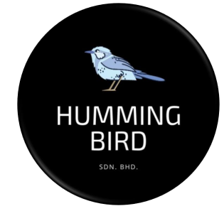
PROJECT TITLE | Online Exam Face Detection (OeFD)
PROJECT MANAGER | Nurul Aishah Binti Mohd Zaini
GROUP NAME | 1) Nurul 'Izzah Binti Muhammad Zawave 2) Siti Kamariah Binti Ismail 3) Thanushaini A/P Poobalan
COMPANY NAME | HummingBird Sdn. Bhd.
DATE | 8th October 2021
GITHUB | https://github.com/HummingBird39/Online-Exam-Face-Detection-OeFD-

